Grocery
Grocery List Template

 |  |  | 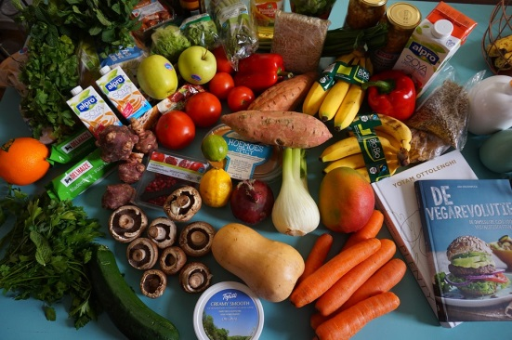
Grocery List |  |  | Grocery List
Produce [fruit, vegetables, potatoes, tomatoes] |  |  | Produce [fruit, vegetables, potatoes, tomatoes]
□ | □ |  | □ | □
□ | □ |  | □ | □
□ | □ |  | □ | □
□ | □ |  | □ | □
Bread & Baking [bread, buns, flour, mixes, yeast, powder] |  |  | Bread & Baking [bread, buns, flour, mixes, yeast, powder]
□ | □ |  | □ | □
□ | □ |  | □ | □
□ | □ |  | □ | □
□ | □ |  | □ | □
Refrigerated [meat, milk, eggs, cheese, cream] |  |  | Refrigerated [meat, milk, eggs, cheese, cream]
□ | □ |  | □ | □
□ | □ |  | □ | □
□ | □ |  | □ | □
□ | □ |  | □ | □
Snacks & Drinks [juice, tea, coffee, crackers, sweets, soda] |  |  | Snacks & Drinks [juice, tea, coffee, crackers, sweets, soda]
□ | □ |  | □ | □
□ | □ |  | □ | □
□ | □ |  | □ | □
Canned Foods [soup, tuna, beans, fruits, vegetables] |  |  | Canned Foods [soup, tuna, beans, fruits, vegetables]
□ | □ |  | □ | □
□ | □ |  | □ | □
□ | □ |  | □ | □
Dry Foods [cereal, pasta, rice, sugar, oatmeal, mixes] |  |  | Dry Foods [cereal, pasta, rice, sugar, oatmeal, mixes]
□ | □ |  | □ | □
□ | □ |  | □ | □
□ | □ |  | □ | □
□ | □ |  | □ | □
Frozen [ice, vegetables, chicken, desserts, juice, pizza] |  |  | Frozen [ice, vegetables, chicken, desserts, juice, pizza]
□ | □ |  | □ | □
□ | □ |  | □ | □
□ | □ |  | □ | □
□ | □ |  | □ | □
Condiments & Spices [ketchup, jelly, p.b., mayo, dressing] |  |  | Condiments & Spices [ketchup, jelly, p.b., mayo, dressing]
□ | □ |  | □ | □
□ | □ |  | □ | □
Baby [diapers, wipes, formula, food] |  |  | Baby [diapers, wipes, formula, food]
□ | □ |  | □ | □
□ | □ |  | □ | □
Pet |  |  | Pet
□ | □ |  | □ | □
Supplies [paper & plastic, cleaning, personal, health] |  |  | Supplies [paper & plastic, cleaning, personal, health]
□ | □ |  | □ | □
□ | □ |  | □ | □
□ | □ |  | □ | □
□ | □ |  | □ | □
□ | □ |  | □ | □
□ | □ |  | □ | □
Miscellaneous & Other |  |  | Miscellaneous & Other
□ | □ |  | □ | □
□ | □ |  | □ | □
□ | □ |  | □ | □
□ | □ | [42] | □ | □

