Wedding Expense Record
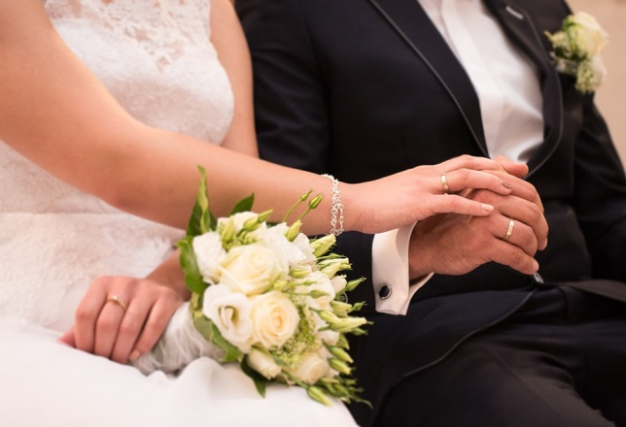
Wedding Expense Record
 | Fill in the blanks next to the item used. Delete lines that are not applicable

 |  | WEDDING DATE | TIME TO WEDDING
 |  | 2016-12-28 | 386 | Days

 | Wedding items and Services |  |  |  |  | TOTAL COSTS
 | Rings |  |  |  | Bride's Family | Groom's Family | Bride | Groom | DEPOSIT PAID | BALANCE DUE
 | Engagement Ring
 | Bride's Wedding Ring
 | Groom's Wedding Ring

 | Wedding Parties |  |  |  | Bride's Family | Groom's Family | Bride | Groom | DEPOSIT PAID | BALANCE DUE
 | Engagement Party
 | Bridesmaids' Luncheon
 | Rehearsal Dinner
 | Out-of-Town Guests' Brunch

 | Stationary |  |  |  | Bride's Family | Groom's Family | Bride | Groom | DEPOSIT PAID | BALANCE DUE
 | Save the Date Announcements
 | Invitations including Reception and Response Cards
 | Thank you or Informal Cards
 | Postage
 | Napkins
 | Place Cards
 | Programs
 | Maps
 | Calligraphy

 | Bridal Attire |  |  |  | Bride's Family | Groom's Family | Bride | Groom | DEPOSIT PAID | BALANCE DUE
 | Wedding Dress
 | Headpiece/Veil
 | Shoes
 | Bridal Purse
 | Accessories
 | Undergarments
 | Alterations
 | Groom's Formal Wear
 | Bride's Attendants
 | Bridemaids Accessories
 | Groom's Attendants
 | Other

 | Ceremony Fees |  |  |  | Bride's Family | Groom's Family | Bride | Groom | DEPOSIT PAID | BALANCE DUE
 | Church/Location Fee
 | Officiant Fees

 | Flowers |  |  |  | Bride's Family | Groom's Family | Bride | Groom | DEPOSIT PAID | BALANCE DUE
 | Bridal Bouquet
 | Bridesmaids Bouquets
 | Groom's Boutonniere
 | Groomsmen & Usher Boutonnieres
 | Father Boutonnieres
 | Mothers' Corsages
 | Ceremony Site Flowers & Decorations
 | Reception Site Flowers & Decorations

 | Photography/Videography |  |  |  | Bride's Family | Groom's Family | Bride | Groom | DEPOSIT PAID | BALANCE DUE
 | Formal Portraits
 | Engagement
 | Wedding and Reception
 | Wedding Album
 | Parents' Album
 | Extra Prints
 | Videography of Wedding

 | Reception |  |  |  | Bride's Family | Groom's Family | Bride | Groom | DEPOSIT PAID | BALANCE DUE
 | Site Fee or Rental Fee
 | Caterer
 | Liquor/Beverages
 | Wedding Cake
 | Rental Items
 | Tips

 | Music |  |  |  | Bride's Family | Groom's Family | Bride | Groom | DEPOSIT PAID | BALANCE DUE
 | Wedding Ceremony
 | Cocktail Hour
 | Reception

 | Transportation |  |  |  | Bride's Family | Groom's Family | Bride | Groom | DEPOSIT PAID | BALANCE DUE
 | Limousine/Carriage/Trolley, etc.
 | Parking

 | Transportation |  |  |  | Bride's Family | Groom's Family | Bride | Groom | DEPOSIT PAID | BALANCE DUE
 | Limousine/Carriage/Trolley, etc.
 | Parking

 | Gifts |  |  |  | Bride's Family | Groom's Family | Bride | Groom | DEPOSIT PAID | BALANCE DUE
 | For the Groom
 | For the Bride
 | Maid/Matron of Honor
 | Bridesmaids
 | Groomsmen & Ushers
 | Appreciation Gifts

 | Wedding Accessories |  |  |  | Bride's Family | Groom's Family | Bride | Groom | DEPOSIT PAID | BALANCE DUE
 | Guest Book & Pen
 | Ringbearer's Pillow
 | Flower girl Basket
 | Favors
 | Unity Candle
 | Garter
 | Handkerchief
 | Something old, something new, something borrowed, something blue
 | Appreciation Gifts

 | Honeymoon |  |  |  | Bride's Family | Groom's Family | Bride | Groom | DEPOSIT PAID | BALANCE DUE
 | Honeymoon Trip
 | Wedding Night Accommodations
 | Splurge Money!!!

